Sheet1
Row Labels | Sum of Revenue (£) | Sum of Revenue After Discounts (£)
Email | 442211.33333 | 439459.04762
Organic Search | 42628 | 12686.014286
Paid Search | 886947.33333 | 867211.73333
Paid Social | 616.66666667 | 467.38095238
Grand Total | 1372403.3333 | 1319824.1762

Sheet3
Row Labels | Sum of Orders
Email | 532.28571429
1 | 2
2 | 1
3 | 0
4 | 0
5 | 0
6 | 529.28571429
Organic Search | 50745.714286
1 | 7680.2857143
2 | 8291.2857143
3 | 7558.4285714
4 | 9379
5 | 9744.2857143
6 | 8092.4285714
Paid Search | 66002.428571
1 | 12271.571429
2 | 12526.571429
3 | 12066.428571
4 | 10866
5 | 11223.428571
6 | 7048.4285714
Paid Social | 9404.5714286
1 | 3075.2857143
2 | 2819.1428571
3 | 2420.1428571
4 | 947
5 | 83.285714286
6 | 59.714285714
Grand Total | 126685

Sheet4
Row Labels | Sum of Sessions | Sum of Products Viewed / Session
Email | 34872 | 30.96
1 | 235 | 4.14
2 | 785 | 2.21
3 | 13 | 5
4 | 5 | 5.8
5 | 3 | 12
6 | 33831 | 1.81
Organic Search | 558812 | 28.73
1 | 75552 | 4.78
2 | 92083 | 4.93
3 | 84598 | 4.63
4 | 109999 | 4.86
5 | 98217 | 4.88
6 | 98363 | 4.65
Paid Search | 1165231 | 29.25
1 | 257397 | 5.07
2 | 250374 | 5.04
3 | 227650 | 4.72
4 | 237987 | 4.77
5 | 113482 | 4.74
6 | 78341 | 4.91
Paid Social | 572313 | 10.89
1 | 220750 | 1.17
2 | 317764 | 1.14
3 | 23989 | 1.12
4 | 8316 | 1.22
5 | 842 | 3.02
6 | 652 | 3.22
Grand Total | 2331228 | 99.83

Useful Definitions & Terms
Term | Definition
Channel | The medium that brought a user to the site. If the person used Google to search for the site and then clicked on an unsponsored link, then the channel is Organic Search (Appendix 1). If the user clicked on an Ad, the channel would be Paid Search (Appendix 2)
Session | The period of time a person spends on www.overpriced-handcrafted.com; a session is counted each time a user comes to the site and ends after 30 minutes of inactvity
Products Viewed / Session | The average number of products viewed. This is calculated by dividing all Products Viewed by all Sessions
Avg. Session Duration | The average time a user spends on the site
Revenue After Discounts | Revenue - Discounts
Avg. Order Value | This is calculated for Revenue as (Revenue from all Orders) / (number of Orders received); and for Revenue After Discounts as (Revenue - Discounts) / (number of Orders received)

APPENDIX

Appendix 1: Organic Search
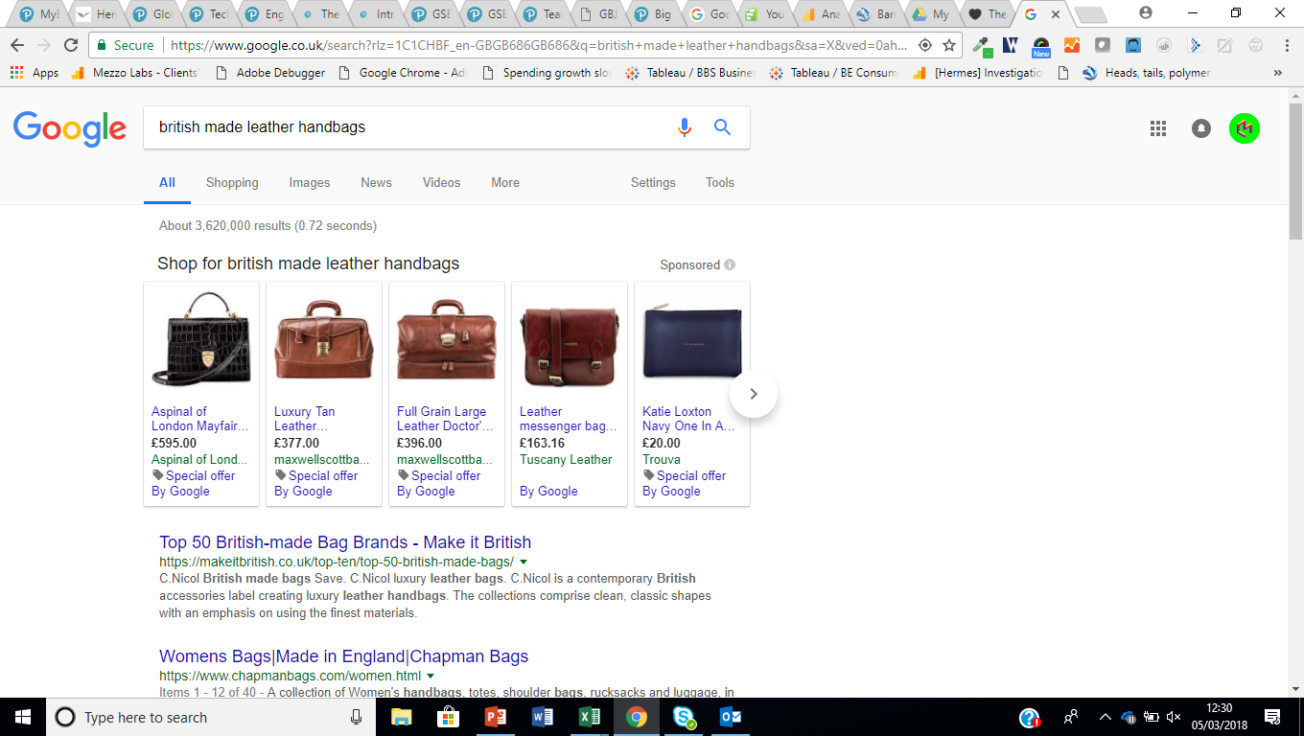

Appendix 2: Paid Search

